PROPERTIES
NAME | MLI_k_throught
Temperature [ºC] | keff [W/(m2K)]
-75 | 0.00393
-45 | 0.01040
14 | 0.01499
50 | 0.02289
70 | 0.03368

GLs
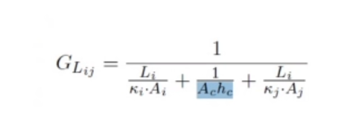

UDC | Source | Destination | Li [m] | ki [W/(mK)] | Ai [m^2] | Ac [m^2] | hc [W/(m^2K)] | kj [W/(mK)] | Aj [m^2] | GL [W/K]
IR_Tel_Lens_IR_Tel_Obj | IR_Tel_Lens | IR_Tel_Obj | 0.081 | 59 | 0.00020106192983 | 4.0212385966E-05 | 100 | 0.24 | 4.0212385966E-05 | 0.00011562773334
IR_Tel_Obj_IR_Tel_CCD | IR_Tel_Obj | CCD | 0.08 | 0.24 | 4.0212385966E-05 | 1.5393804003E-05 | 100 | 0.24 | 0.000015 | 3.2687573197E-05
IR_Tel_Obj_IR_Tel_STR | IR_Tel_Obj | IR_Tel_STR | 0.045 | 0.24 | 4.0212385966E-05 | 4.0212385966E-05 | 100 | 160 | 4.91E-05 | 0.00020336976998
IR_Tel_STR_Panel_inf | IR_Tel_STR | Panel_inf | 0.13 | 160 | 4.9087385212E-05 | 4.9087385212E-05 | 300 | 160 | 4.00E-03 | 0.011811765605
Panel_Plate_xy | Panel | Plate 1 | 0.1 | 160 | 0.00025 | 0.00025 | 300 | 160 | 4.00E-04 | 0.05748502994
Panel_Plate_yx | Panel | Plate 1 | 0.075 | 160 | 0.0003 | 0.0003 | 300 | 160 | 3.00E-04 | 0.070243902439
Panel_Plate2_xy | Panel | Plate 2 | 0.1 | 160 | 0.00025 | 0.00025 | 300 | 160 | 4.00E-04 | 0.05748502994
Panel_Plate2_yx | Panel | Plate 2 | 0.075 | 160 | 0.0003 | 0.0003 | 300 | 160 | 3.00E-04 | 0.070243902439
Plate_Panel_xy | Plate 1 | Panel | 0.1 | 160 | 0.0004 | 0.00025 | 300 | 160 | 2.50E-04 | 0.05748502994
Plate_Panel_yx | Plate 1 | Panel | 0.075 | 160 | 0.0003 | 0.0003 | 300 | 160 | 3.00E-04 | 0.070243902439
Plate2_Panel_xy | Plate 2 | Panel | 0.1 | 160 | 0.0004 | 0.00025 | 300 | 160 | 2.50E-04 | 0.05748502994
Plate2_Panel_yx | Plate 2 | Panel | 0.075 | 160 | 0.0003 | 0.0003 | 300 | 160 | 3.00E-04 | 0.070243902439 | 100 es muy alto
IR_Tel_STR_Panel_inf | IR_Tel_STR | Panel_inf | 0.13 | 160 | 4.9087385212E-05 | 4.9087385212E-05 | 300 | 160 | 0.004 | 0.011811765605

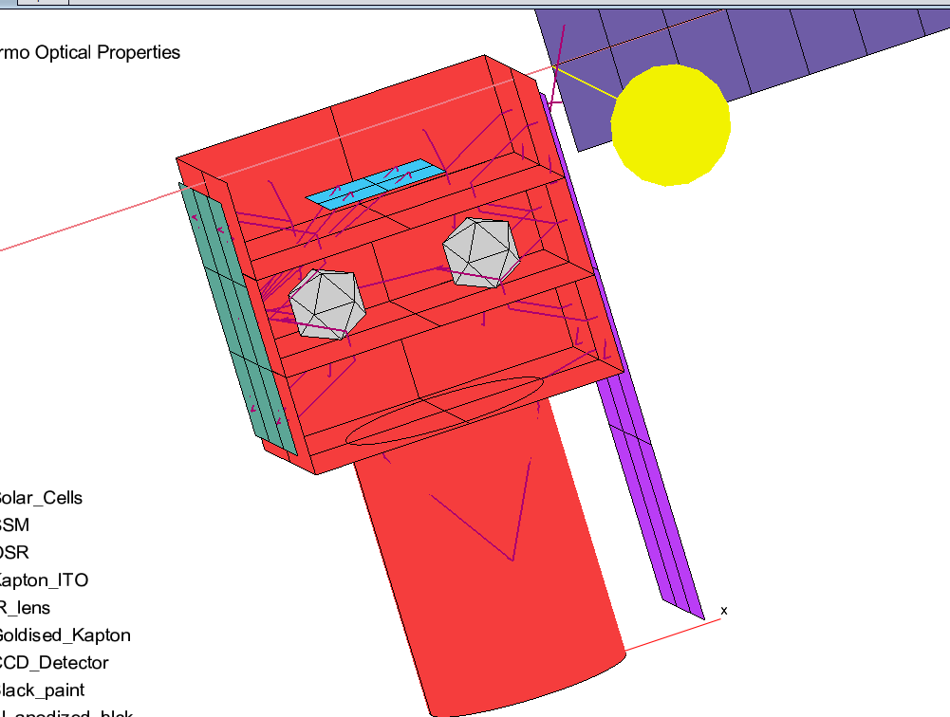
UDC | Source | Destination | k [W/(mK)] | Ac [m^2] | L [m] | GL [W/K] |  | STRAPS,HEAT PIPES
CCD_Rad | CCD | Rad_IR_Tel | 50000 | 0.0113097 | 0.21 | 2692.79370 |  | GL = kAc/L
EBox_Rad | EBox | RAD_INS | 50000 | 0.0038485 | 0.19 | 1012.75026
PLD1_RAD | PLD1 | RAD_INS | 50000 | 0.0019635 | 0.11 | 892.49791
PLD2_RAD | PLD2 | RAD_INS | 50000 | 0.0019635 | 0.31 | 316.69281
Panel_SolarPanel | Panel | Solar Panel | 160 | 0.0003142 | 0.05 | 1.00531
RAD_Tel_Support | Panel | Rad_IR_Tel | 0.24 | 0.0000031 | 0.01 | 0.00008
RAD_Ins_Support | Panel | RAD_INS | 0.24 | 0.0000031 | 0.01 | 0.00008
 |  |  |  |  |  |  |  | FAKE CONTACT

UDC | Source | Destination | hc [W/(m^2K)] | Ac [m^2] | GL [W/K]
Plate2_PLD1 | Plate | PLD1 | 500 | 0.0016 | 0.8
Plate2_PLD2 | Plate | PLD2 | 500 | 0.0004 | 0.2

 |  |  |  |  |  |  | Note that if im using config3 must define UDC for rad INS conn

 |  | Probar:
 |  | Espejo para mover CCD a cerca del radiador

